YIDA
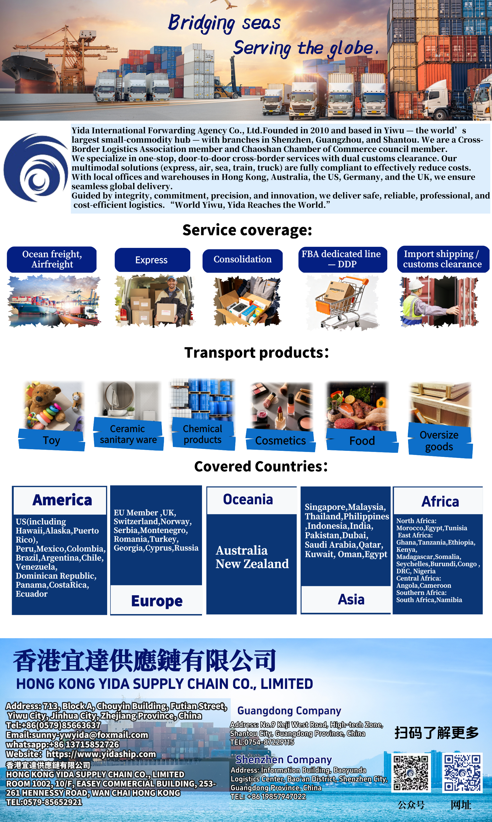

AIR

YIWU-XIAMEN-CANADA AIR Door to Door DDP Promotion-Vancouver Pick up
不接带电，私人商业地址对应分区+0.31 usd/KG，偏远另加 Not for use with electricity. For private commercial addresses, the charge is +0.31 usd/kilogram. For remote areas, an additional fee applies. |  |  |  |  |  |  | Canada FBA Overseas Warehouse Zones
Volume/5000 | 12-20KG | 21-70KG | 71-100KG | 101KG+ | 提取后预计派送 Expected delivery after extraction | 备注Note | Remote reference from Canada
多伦多亚马逊仓 Toronto Amazon Warehouse YYZ1-YYZ9、YOO1、YHM1、YXU1、PRTO、YGK1、 XYY1、XYY4 多伦多L/N/M/P开头邮编 Toronto L/N/M/P starting with postal codes | 10.0 | 8.9 | 8.5 | 7.6 | 5-7天day | 预计5-7工作日温哥华提取 截单前交货第二天起算 超10工作日未提取 延误赔偿0.15/KG/工作日 提取当天不计算在内 最高延误赔偿3usd/KG 国内/国外假期不计算在内 未按时付款不做延误赔偿 海关查验、罢工、不可抗力因素除外 Expected to be available for pick-up in Vancouver within 5-7 working days. Delivery will be made the day after the order is confirmed. If not picked up within 10 working days after the delivery date, compensation will be given at 0.15 USD per kg per working day. The day of pick-up is not included. The maximum compensation for delay is 3 USD per kg. Domestic and foreign holidays are not included. No compensation for delay if payment is not made on time. Compulsory customs inspection, strikes, and force majeure factors are excluded. | Air freight surcharge
渥太华/蒙特利尔亚马逊仓 Ottawa/Montreal Amazon Warehouse YOW1-YOW3、YUL2 渥太华K/H/J/G/E/B/A/C 开头邮编Ottawa K/H/J/G/E/B/A/C starting with postal codes | 10.2 | 9.0 | 8.7 | 7.8 | 6-8天day
卡尔加里/埃德蒙顿亚马逊仓 Calgary/Edmonton Amazon Warehouse YYC1、YYC4、YYC6、YEG1、YEG2、XCAB 卡尔加里T/R/S 开头邮编 Calgary T/R/S Starting Postal Codes | 9.8 | 8.7 | 8.3 | 7.4 | 3-4天day
温哥华亚马逊仓 Vancouver Amazon Warehouse YVR1-YVR4、YXX2、YXX1 温哥华V开头邮编 V postcode in Vancouver | 9.6 | 8.5 | 8.1 | 7.2 | 1-2天day
温哥华自提 Vancouver pick-up service | 9.4 | 8.3 | 7.9 | 7.0 | 不接木架包装 超长超重单询 No wooden frame packaging Extra-long and overweight items - please inquire separately | 托盘、木箱，另外加0.46usd/KG 托盘尺寸：120*120*150cm 高度限1.5米，长度限2米 Pallets, wooden boxes, plus $0.46/kg. Pallet dimensions: 120*120*150 cm Height limit: 1.5 meters, length limit: 2 meters
Volume/6000 | 12-20KG | 21-70KG | 71-100KG | 101KG+ | 提取后预计派送 Expected delivery after extraction | 备注Note
多伦多亚马逊仓 Toronto Amazon Warehouse YYZ1-YYZ9、YOO1、YHM1、YXU1、PRTO、YGK1、 XYY1、XYY4 多伦多L/N/M/P开头邮编 Toronto L/N/M/P starting with postal codes | 10.2 | 9.0 | 8.7 | 7.8 | 5-7天day | 预计5-7工作日温哥华提取 截单前交货第二天起算 超10工作日未提取 延误赔偿0.15/KG/工作日 提取当天不计算在内 最高延误赔偿3usd/KG 国内/国外假期不计算在内 未按时付款不做延误赔偿 海关查验、罢工、不可抗力因素除外 Expected to be available for pick-up in Vancouver within 5-7 working days. Delivery will be made the day after the order is confirmed. If not picked up within 10 working days after the delivery date, compensation will be given at 0.15 USD per kg per working day. The day of pick-up is not included. The maximum compensation for delay is 3 USD per kg. Domestic and foreign holidays are not included. No compensation for delay if payment is not made on time. Compulsory customs inspection, strikes, and force majeure factors are excluded.
渥太华/蒙特利尔亚马逊仓 Ottawa/Montreal Amazon Warehouse YOW1-YOW3、YUL2 渥太华K/H/J/G/E/B/A/C 开头邮编Ottawa K/H/J/G/E/B/A/C starting with postal codes | 10.4 | 9.2 | 8.9 | 7.9 | 6-8天day
卡尔加里/埃德蒙顿亚马逊仓 Calgary/Edmonton Amazon Warehouse YYC1、YYC4、YYC6、YEG1、YEG2、XCAB 卡尔加里T/R/S 开头邮编 Calgary T/R/S Starting Postal Codes | 10.0 | 8.9 | 8.5 | 7.6 | 3-4天day
温哥华亚马逊仓 Vancouver Amazon Warehouse YVR1-YVR4、YXX2、YXX1 温哥华V开头邮编 V postcode in Vancouver | 9.8 | 8.7 | 8.3 | 7.4 | 1-2天day
温哥华自提 Vancouver pick-up service | 9.6 | 8.5 | 8.1 | 7.2 | 不接木架包装 超长超重单询 No wooden frame packaging Extra-long and overweight items - please inquire separately | 托盘、木箱，另外加0.46usd/KG 托盘尺寸：120*120*150cm 高度限1.5米，长度限2米 Pallets, wooden boxes, plus $0.46/kg. Pallet dimensions: 120*120*150 cm Height limit: 1.5 meters, length limit: 2 meters

详 细 说 明 Detailed Explanation
注意事项 matters need attention | 带电未申报罚款500元！航司查到另议！ 外箱除FBA标签外，不能有其它带收件人及产品信息的标签。 不接以下产品：原木，带大麻标，医疗、婴儿用品、反倾销、电子烟及配件、手机/平板/手表等高货值产品，仿牌及其他违禁品。 不接：一次性餐具，牙线，床垫，螺丝，不锈钢水槽等反倾销产品。 帐篷显著位置必须有双语(英文及法文)警示标签，警告:请远离所有火焰和热源。
计费方式 Billing method 非FBA Non-FBA 偏远 Remote | 双清含税到门。体积/6000，快递派单件不够10kg按10kg计费（卡派/自提无此限制）。 偏远加4.6usd/件，普通偏远最低15.1usd/票，超偏远最低30.1/票，超距离最低120.4usd/票。参考《加拿大偏远附加》，注意偏远查询以官网为准。PE按偏远加4.6usd/件，最低30.1usd/票。 洲名YT，NT，NU，岛屿，邮箱地址无服务，邮编X0A-X9Z，Y0A-Y9Z 无服务。 Door to door DDP. Volume/6000. For parcels weighing less than 10kg, the shipping cost will be calculated based on 10kg (this rule does not apply to card delivery or self-pickup). Remote: $4.6 per piece. Ordinary remote: at least $15.1 per ticket. Extra remote: at least $30.1 per ticket. Extra distance: at least $120.4 per ticket. Refer to "Canada Remote Addendum". Note that remote inquiries should be based on the official website. PE: $4.6 per piece, minimum $30.1 per ticket. Provinces: YT, NT, NU, Islands, no service for email address, postal code X0A-X9Z, Y0A-Y9Z no service.
报关 clearance of goods | 单独报关加53usd/票。（9710、9810报关，需客人有“电商企业资质”，并能提供“准确有效的订单号”才能报） 大货特泡特重需分票报关，单询。木制品报关需客户提供商检。不接手册报关。 务必在预报时选择报关！务必交接单上备注报关！务必在确认数据时明确回复要报关！只发报关资料，极易漏报关！！！ Customs declaration separately incurs an additional charge of 53 USD per ticket. (For 9710 and 9810 declarations, guests must have "e-commerce enterprise qualifications" and be able to provide "accurate and valid order numbers" to make the declaration.) For large quantities, special products, and heavy items, separate customs declaration is required. Please inquire individually. For wooden products, customers need to provide a commercial inspection certificate. We do not accept manual declaration. Please make sure to select customs declaration when making the forecast! Please note the customs declaration in the delivery note! Please clearly reply in confirmation of the data that you need to make the declaration! Only sending customs declaration materials is very likely to result in missed declaration!!!
产品附加 Product surcharge | 总价值除总重量超30美金/kg加0.31usd/kg，超60美金/kg加0.46usd/kg，超80美金/kg单询。（与产品附加不叠加，取大者） 单票品名超5个加5.27usd/个，单票品名限10个以内。 纺织品、皮革、鞋服包 加0.31usd/kg。配套木制品（不接纯木制品和原木）加0.16usd/kg。车载空调加100加币/台空调税。 弱磁加72.2usd/票，配套酒精棉加鉴定72.2usd/票，其它鉴定单询。（不同鉴定项目需叠加收费） The total value plus the total weight exceeds $30 per kg, an additional $0.31 per kg; exceeds $60 per kg, an additional $0.46 per kg; for weights over $80 per kg, please inquire individually. (This does not apply to additional product attachments. The higher amount is taken.) Each order name exceeding 5 items incurs an additional $5.27 per item. Each order name is limited to no more than 10 items. Textiles, leather, shoes, clothing and bags are increased by 0.31 USD/kg. Wood products in combination (excluding pure wood products and logs) are increased by 0.16 USD/kg. Vehicle air conditioners are taxed at 100 Canadian dollars per air conditioner unit. Weak magnetic field is 72.2 USD per ticket. Alcohol cotton in combination is 72.2 USD per ticket for identification. Other identification forms are to be inquired. (Different identification items require additional charges.)
超长超重附加 Extra-long and extra-heavy additional items | 以下情况之一需加收27.1usd/箱（以下费用不叠加收取）： ①单件包裹实重大于等于22KG或单票平均每箱重量大于等于22KGKG，小于67KG； ②外围长【长+2*（宽+高）】大于等于263厘米，小于300厘米； ③包裹最长边大于等于118厘米，小于200厘米； ④第二长边大于等于75厘米； ⑤非纸箱包装（纸箱外面使用收缩膜等），不规则包装（带轮子或把手或绑带或包装过软等），包装晃动有空隙。 One of the following situations will incur an additional charge of 27.1 USD per box (the above fees will not be cumulatively applied): ① The weight of a single parcel is equal to or greater than 22KG, or the average weight per box of a single shipment is equal to or greater than 22KG and less than 67KG; ② The perimeter of the package [length + 2*(width + height)] is equal to or greater than 263 centimeters and less than 300 centimeters; ③ The longest side of the package is equal to or greater than 118 centimeters and less than 200 centimeters; ④ The second longest side is equal to or greater than 75 centimeters; ⑤ Non-box packaging (using shrink film or other materials on the outside of the box), irregular packaging (with wheels or handles or straps or overly soft packaging, etc.), and the packaging is shaken with gaps.
 | 不接木箱、木架、编织袋包装。 No wooden boxes, wooden frames or woven bags for packaging.
 | 外围长【长+2*（宽+高）】大于等于300厘米，小于350厘米，且单件包裹小于67KG，加超大件费225.6usd/箱。超大件单件计重不足41KG按41KG计费。 The outer length is 【length + 2 * (width + height)】 which is greater than or equal to 300 centimeters and less than 350 centimeters. And the weight of each individual package is less than 67 kilograms. In addition, there is a charge for oversized items at 225.6 USD per box. For oversized items, if the weight of each individual item is less than 41 kilograms, it will be charged at 41 kilograms.
 | 单件实重超67kg，最长边超200厘米，外围长【长+2*（宽+高）】超350厘米不接收。 If the weight of a single item exceeds 67 kilograms, or if the longest side is longer than 200 centimeters, or if the perimeter (length + 2*(width + height)) is longer than 350 centimeters, it will not be accepted.
更改地址 change the address | 请在邮政官网核对地址的准确性 https://www.canadapost-postescanada.ca/cpc/en/tools/find-a-postal-code.page 更正邮编，街道，门牌号或地址不详，将产生更改地址费15.1usd/件！ 请一定确认清楚地址完善准确（详细准确的街道门牌号)，避免国外快递自行更正地址（国外快递不会提前通知），如国外快递自行更正或完善地址，将直接加收更改地址费！ Please check the accuracy of the address on the official postal website: https://www.canadapost-postescanada.ca/cpc/en/tools/find-a-postal-code.page If you need to correct the postal code, street name, house number or address, it will cost 15.1 USD per item for changing the address! Please make sure to confirm that the address is complete and accurate (with a detailed and accurate street and house number). Avoid having the overseas courier change the address on their own (the overseas courier will not notify in advance). If the overseas courier changes or improves the address on their own, they will directly charge an additional address correction fee!
国外退件 Foreign returned items 签收单 Receipt slip | 国外收到退件超15天未提供处理方案，国外将默认弃件处理。 If the returned items received from abroad are not processed within 15 days, the foreign party will default to disposing of them as discarded items.
 | UPS签收单3.5美金/件，不保证申请成功，没申请到不收费。 UPS signature receipt costs 3.5 USD per piece. There is no guarantee of successful application. If the application is not approved, there will be no charge.
赔偿说明 Compensation Explanation | 提取前丢失，或专线大贸清关扣关，按箱单申报价值，最高不超过6usd/KG，不退运费。（走货前提前确认单价加0.15usd，赔偿可按退运费） 提取后丢失以UPS开查索赔为准，不退运费。 易碎品内物破损无法受理赔偿，注意包装。 真空包装不可查货，需要提供保函出货，如遇查货有货损不受理赔偿，谨慎发货。 由于货物运输延误，或者报关问题引起的其它损失、间接损失等，乙方不承担赔偿责任，即不承担连带责任。 If lost before extraction, or if the goods are detained during the special line bulk clearance, the declared value should be based on the shipping list, not exceeding 6 USD per KG. No refund of freight will be given. (Before shipping, confirm the unit price by adding 0.15 USD, and the compensation can be calculated based on the refund of freight.) If lost after extraction, the claim should be made according to the UPS investigation. No refund of freight will be given. For fragile items, if the contents are damaged, compensation will not be accepted. Pay attention to packaging. Items in vacuum packaging cannot be inspected. A guarantee letter must be provided for shipment. In case of inspection, compensation will not be given for any damage to the goods. Be cautious when shipping. Due to transportation delays or other losses caused by customs clearance issues, the party B shall not be liable for compensation, that is, shall not bear joint liability.

FBA Overseas Warehouse Zones
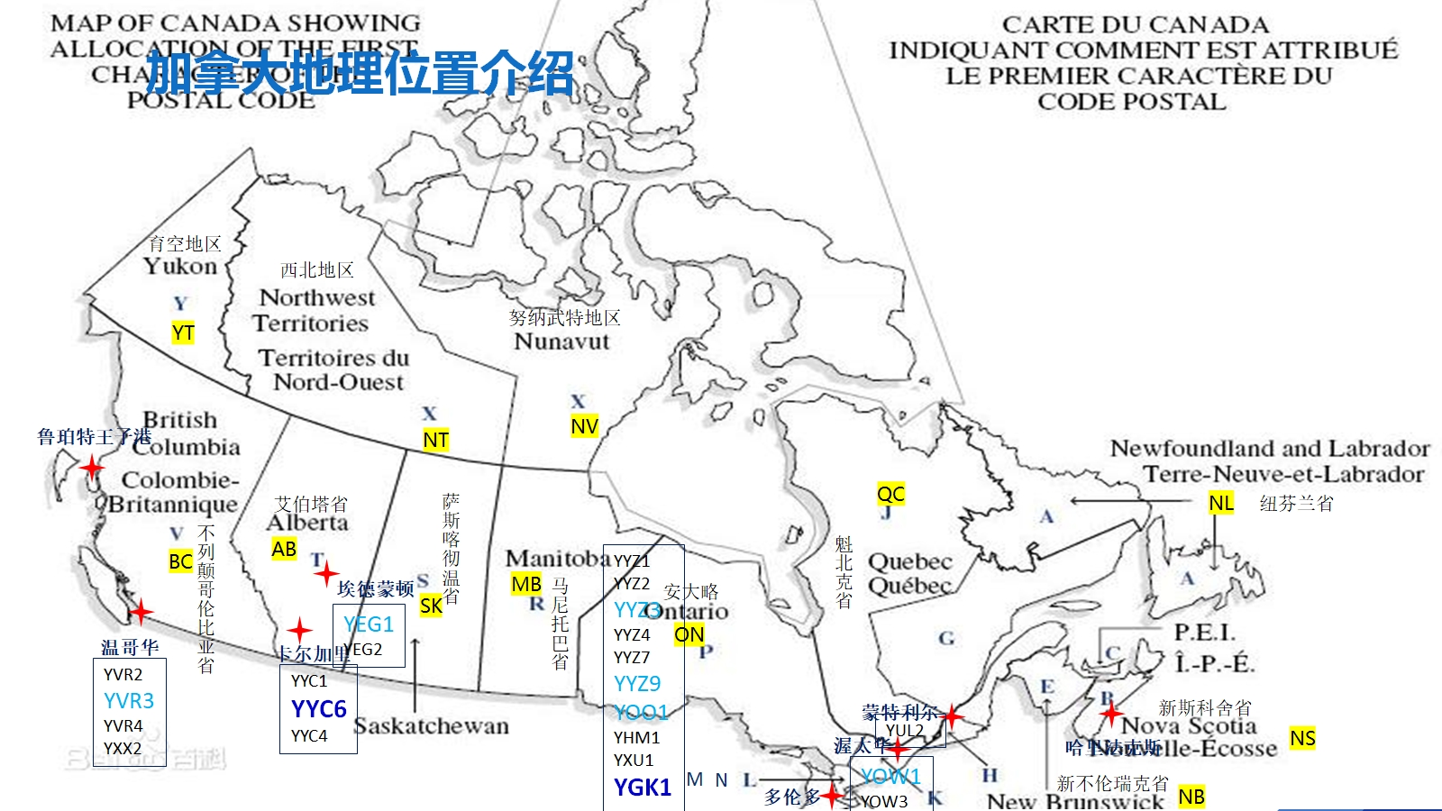
 |  |  |  |  |  |  |  | Air Price

加拿大FBA海外仓分区（仅供参考）Canada FBA Overseas Warehouse Zones (for reference only) 海外仓拒收产生费用，须由客户支付 The overseas warehouse will not accept the goods, and the resulting costs will be borne by the customer.
亚马逊仓库代码 Amazon warehouse code |  | 仓库地址 warehouse address | 城市 city | 州 state | 邮编 postcode | 仓库属性 Warehouse attributes | 仓库类型 Warehouse type
温哥华 Vancouver | YVR2 | 450 Derwent St., | Delta | BC | V3M5Y9 | 小件仓，未遇到因为尺寸与重量关系导致拒收货物 The small package storage area did not encounter any cases of rejected goods due to size and weight issues. | 小型仓 Small warehouse
 | YVR3 | 109 BRAID ST | NEW WESTMINSTER | BC | V3L5H4 | 根据国外实际派送反馈，建议货物不超过120cm / 20 KG Based on the actual delivery feedback from abroad, it is recommended that the goods be no larger than 120cm in length and 20KG in weight. | 中型仓 Medium-sized warehouse
 | YVR4 | 4189 Salish Sea Way | TSAWWASSEN | BC | V4M0B9 | 小件仓，未遇到因为尺寸与重量关系导致拒收货物 爆仓，卡派不好预约，UPS可以正常派 The small package storage area did not encounter any cases of rejected goods due to size and weight issues. Inventory exceeded, Kapai's system is not capable of making reservations, but UPS can handle the delivery normally. | 小型仓 Small warehouse
 | YXX1 | 19300 Airport Wy | Pitt Meadows | BC | V3Y2M5
 | YXX2 | 16131 Blundell Rd | Richmond | BC | V6W0A3 | 小件仓，未遇到因为尺寸与重量关系导致拒收货物 货物较少，卡派要拼车，时效有影响，建议UPS The small package storage area did not encounter any cases of rejected goods due to size and weight issues. The quantity of goods is small. Capay needs to take a ride-sharing service. This may affect the delivery time. It is recommended to use UPS. | 中型仓 Medium-sized warehouse
 | WHV1 | 6751 ELMBRIDGE WAY | RICHMOND | BC | V7C4N1 | 递四方/4PX
 | WHV2 | 104-1338 UNITED BLVD | COQUITLAM | BC | V3K6Y2 | 大卖仓
埃德蒙顿 Edmonton | YEG1 | 1440 39 AVE | Nisku | AB | T9E0B4 | 大件仓，单件重量不超过 23KG,单箱长度不超过 60IN（150.40CM) 目前拒收mix sku Large storage area, individual item weight not exceeding 23KG, individual box length not exceeding 60IN (150.40CM) Currently, mixed SKU items are not accepted. | 中型仓 Medium-sized warehouse
 | YEG2 | 27383 92 Ave | Acheson | AB | T7X2X2 | 小件仓，单箱长度不能超过 25IN（63.5CM） Small storage area. The length of each box must not exceed 25 inches (63.5 cm). | 小型仓 Small warehouse
卡尔加里 Calgary | YYC1 | 293069 Colonel Robertson Way | Rocky View County | AB | T4A1C6 | 小件仓，单箱长度不能超过 25IN（63.5CM） Small storage area. The length of each box must not exceed 25 inches (63.5 cm). | 小型仓 Small warehouse
 | YYC4 | 6635 106 AVE SE | CALGARY | AB | T2C5X1 | 小件仓，单箱尺寸不能超过 42*64CM Small storage area. The size of each box must not exceed 42*64 cm. | 中型仓 Medium-sized warehouse
 | YYC6 | 9705 68 ST SE | Calgary | AB | T2C5V8 | 所有超重超长货物可收，卡派预约难拿 All overweight and oversized items can be accepted. However, it's difficult to get the items after making a reservation with the carrier. | 大型仓 Large warehouse
 | XCAB | 1882 118 Ave NE | Calgary | AB | T3K0R1
多伦多 Toronto | YYZ1 | 6363 MILLCREEK DR | Mississauga | ON | L5N1L8 | 仓库面积较小，一般客户不选择建仓 The warehouse area is relatively small, and ordinary customers generally do not choose to build a warehouse. | *
 | YYZ2 | 2750 Peddie Rd. | Milton | ON | L9T 6Y9 | * | *
 | YYZ3 | 7995 Winston Churchill Blvd | Brampton | ON | L6Y5Z4 | 货物超过 50IB(22.5KG），长度超过 59IN(149.86CM)会被拒收 一箱多于 4PCS 的货物可能会被拒收 收货时不采用扫码枪，肉眼观察超长、混合打托、一箱多件问题。所有货物预约信息必须有效，不可夹带 Goods weighing more than 50 IB (22.5 KG) and with a length exceeding 59 IN (149.86 CM) will be rejected. Boxes containing more than 4 items may also be rejected. When receiving the goods, no barcode scanner is used. The issues of extremely long items, mixed pallets, and multiple items in one box will be observed visually. All reservation information for the goods must be valid and no prohibited items are allowed. | 中型仓 Medium-sized warehouse
 | YYZ4 | 8050 HERITAGE ROAD, | BRAMPTON | ON | L6Y6L5 | 小件仓，重量单件不能大于 7.5KG，单箱不能大于 50LB(22.5kg），长度单件不能大于 45CM，单箱最长边不能大于63.5CM 收货时不使用扫码枪，肉眼观察箱子是否超大及一箱一件会观察比较细致检查是否超大 Small storage area: The weight of each item should not exceed 7.5KG, and the weight of each box should not exceed 50LB (22.5kg). The length of each item should not exceed 45CM, and the longest side of each box should not exceed 63.5CM. When receiving goods, do not use the scanning gun. Observe visually whether the boxes are oversized and, for items one by one, conduct a detailed inspection to check if they are oversized. | 小型仓 Small warehouse
 | YYZ6 | 8050 Heritage Rd., Brampton, Ontario L6Y 0C9 | Brampton | ON | L6Y 0C9 | * | *
 | YYZ7 | 12724 Coleraine Drive | Bolton | ON | L7E4L8 | 小件仓，重量单件不能大于 7.5KG，单箱不能大于 50LB(22.5kg），长度单件不能大于 45CM，单箱最长边不能大于63.5CM 收货时不使用扫码枪，肉眼观察箱子是否超大及一箱一件会观察比较细致检查是否超大 Small storage area: The weight of each item should not exceed 7.5KG, and the weight of each box should not exceed 50LB (22.5kg). The length of each item should not exceed 45CM, and the longest side of each box should not exceed 63.5CM. When receiving goods, no barcode scanner is used. The boxes are inspected visually to check if they are oversized. For items one by one, a more detailed inspection is conducted to ensure there is no oversize issue. | 中型仓 Medium-sized warehouse
 | YYZ9 | 6351 Steeles Ave East | Scarborough | ON | M1X1N5 | 货物超过 50IB(22.5KG），长度超过 59IN(149.86CM)会被拒收 一箱多于 4PCS 的货物可能会被拒收 收货时 95%使用扫码枪，扫码枪会直接显示是否合规 最长边在 110-132CM 之间，次长边大于 40.64CM，判定 Pass through-bulk，拒收 最长边大于 132CM，次长边大于 10.16CM，判定 Pass through-bulk，拒收 Goods weighing more than 50 IB (22.5 KG) and with a length exceeding 59 IN (149.86 CM) will be rejected. A shipment containing more than 4 PCS of goods may also be rejected. During receipt, 95% of the time a barcode scanner will be used. The scanner will directly indicate whether it is compliant. If the longest side is between 110 - 132 CM and the second longest side is greater than 40.64 CM, it will be classified as Pass through-bulk and rejected. If the longest side is greater than 132 CM and the second longest side is greater than 10.16 CM, it will also be classified as Pass through-bulk and rejected. | 中型仓 Medium-sized warehouse
 | YDC5 | 6351 Steeles Ave East | Scarborough | ON | M1X1N5 | 在YYZ9裡面的2-3樓，所以地址相同 YDC5預計會接收小件貨物，目前仍在整理階段，未正常開始收貨 On the 2nd and 3rd floors of YYZ9, so the addresses are the same. YDC5 is expected to receive small packages. Currently, it is still in the sorting stage and has not started receiving shipments normally | 小型仓 Small warehouse
 | YOO1 | 789 Salem RD N | Ajax | ON | L1Z0J2 | 单箱重量超过 50IB(22.5KG），单箱长度超过 59IN(149.86CM) 会被拒收 Boxes weighing more than 50 pounds (22.5 kilograms) or with a length exceeding 59 inches (149.86 centimeters) will be rejected. | 中型仓 Medium-sized warehouse
 | YHM1 | 110 Aeropark Boulevard, Mount Hope | Mount Hope | ON | L0R1W1 | 小件仓，单个产品重量单件不能大于 7.5KG 单个产品长度不能大于 45CM 单箱不能大于 50LB(22.5kg），单箱最长边不能大于63.5CM 传送带有限高，次长边不能超过 50cm, 一箱一件会观察比较细致 Small storage area: The weight of each individual product should not exceed 7.5KG per piece. The length of each product should not exceed 45CM. The weight of each box should not exceed 50LB (22.5kg), and the longest side of each box should not exceed 63.5CM. The conveyor belt has a limited height. The secondary longest side should not exceed 50cm. When handling one item per box, the process will be more meticulous. | 中型仓 Medium-sized warehouse
 | XYY1 | 271 Church street s | Ajax | ON | L1S0A1
 | XYY4 | 10725 LOUIS ST | LAURENT AVE MILTON | ON | L9E 0E9
 | YGK1 | 640 College St E | Belleville | ON | K8N0V2 | 超大件仓，所有 YYZ3/YYZ9/YOO1/YOW1 拒收的货物都可以送到这个仓库 The oversized goods warehouse. All the goods rejected by YYZ3/YYZ9/YOO1/YOW1 can be sent to this warehouse. | 大型仓 Large warehouse
 | YXU1 | 11884 Sunset Dr | London | ON | N5P0G9 | 单箱重量不能大于 50LB(22.5kg），单箱最长边不能大于63.5CM 传送带有限高，次长边不能超过 50cm, 一箱一件会观察比较细致 单件产品超过7.5KG和单箱产品尺寸超过18IN（45CM）则拒收，如果超过这个标准的建议改仓到YGK1或其他大件仓 The weight of each box must not exceed 50LB (22.5kg), and the longest side of each box must not be longer than 63.5CM. The conveyor belt has a limited height. The second longest side of each box should not exceed 50cm. When packing one item per box, we will pay close attention to the details. For individual products weighing more than 7.5KG and for individual cartons with dimensions exceeding 18IN (45CM), they will be rejected. If they exceed these standards, it is recommended to transfer them to YGK1 or other large-sized storage areas. | 小型仓 Small warehouse
 |  | 11884 Sunset Rd ，St Thomas,ON N5P 0G9 | St Thomas | ON | N5P0G9
 | PRTO | 6110 Cantay Rd, | Mississauga | ON | L5R 3W5 | * | *
渥太华 Ottawa | YOW1 | 5225 Boundary Rd | NAVAN | ON | K4B0L3 | 大件仓，单箱重量不能超过 50IB(22.5KG），单箱长度不能超过 59IN(149.86CM), 拒收一箱多于 4PCS 的货物 收货时 70%使用扫码枪，扫码枪会直接显示是否合规 Large storage area: The weight of each box must not exceed 50 IB (22.5 KG), and the length of each box must not exceed 59 IN (149.86 CM). We will not accept shipments with more than 4 items in a single box. During the receiving process, 70% of the time a barcode scanner will be used. The scanner will directly indicate whether the shipment is compliant. | 中型仓 Medium-sized warehouse
 | YOW3 | 222 City Gate Drive | Nepean | ON | K2J7C7 | 小件仓，重量单件不能大于 7.5KG，单箱不能大于 50LB(22.5kg），长度单件不能大于 45CM，单箱最长边不能大于63.5CM 收货时不使用扫码枪，肉眼观察箱子是否超大 Small storage area: The weight of each item should not exceed 7.5KG, and the weight of each box should not exceed 50LB (22.5kg). The length of each item should not exceed 45CM, and the longest side of each box should not exceed 63.5CM. When receiving goods, do not use the scanning gun. Observe visually whether the boxes are oversized. | 小型仓 Small warehouse
海外仓 oversea location | WHT1 | 5 RESOLUTION DR, UNIT 1 | BRAMPTON | ON | L6W0A5 | （大卖仓/GreatSell YYZ）
 | WHT2 | 108 SUMMERLEA RD | BRAMPTON | ON | L6T4X3 | 万邑通/Winit Corporation
 | WHT3 | 3 Keensford Court, Unit 2 | Ajax | ON | L1Z0K4 | 谷仓/GoodCang
 | WHT4 | 5 Paget Rd | Brampton | ON | L6T5S2 | 谷仓/GoodCang
 | WHT5 | 159 Don Hillock Drive, Unit 1 | Aurora | ON | L4GOK2 | 枫筝海外仓
 | WM01 | 360 Shipwill St | Vaughan | ON | L6A5E2 | 沃尔玛/Walmart
 | WM02 | 6800 Maritz Dr | Mississauga | ON | L5W1W2 | 沃尔玛/Walmart
 | WM03 | 200 Courtneypark Dr W | Mississauga | ON | L5W1Y6 | 沃尔玛/Walmart
 | WM04 | 7295 W Credit Ave | Mississauga | ON | L5N5N1 | 沃尔玛/Walmart
 | WM05 | 80 Kateson Dr | Mississauga | ON | L5W1Y6 | 沃尔玛/Walmart
 | WM06 | 6175 Edwards Blvd | Mississauga | ON | L5T2W7 | 沃尔玛/Walmart
 | WM07 | 12880 Peel Regional Rd 150 | Bolton | ON | L7E3B1 | 沃尔玛/Walmart
蒙特利尔 Montreal | YUL2 | 3000 Rue Louis A Amos | Lachine | QC | H8T 3P8 | * | *

